Sheet1
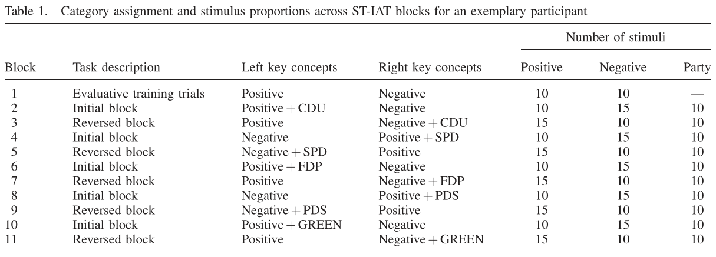
Traditional IAT (iatgen)
Block | Type | Trials | Info
1 | practice | 20 | targets
2 | practice | 20 | categories
3 | practice | 20 | combined - compatible*
4 | critical | 40 | combined - compatible*
5 | practice | 40 | categories reversed
6 | practice | 20 | combined - incompatible*
7 | critical | 40 | combined - incompatible*

Single Target IAT (INQUISIT) |  |  |  | https://www.millisecond.com/download/library/v5/iat/st_iat/singletargetiat/singletargetiat.manual
* Half participants start with [white-positive | negative]; other half start with [white-negative | positive]
Block | Type | Trials | Info | Sequence (from Inquisit)
1 | training | 20 | category words only (feedback) | "Attribute sorting training" | Hypothesis-consistent pairings vs. hypothesis-inconsistent pairings; tested within-subjects
2 | test (practice) | 20 | "white"+positive on same side / negative on other | "Test Block of hypothesis-consistent pairings with 20 trials" | => order is counterbalanced by groupnumber assignment
3 | test | 40 | "white"+positive on same side / negative on other | "Test Block of hypothesis-consistent pairings with 40 trials" | 250 MS INTERTRIAL
4 | test (practice) | 20 | "white"+negative on same side / positive on other | "Test Block of hypothesis-inconsistent pairings with 20 trials"
5 | test | 40 | "white"+negative on same side / positive on other | "Test Block of hypothesis-inconsistent pairings with 40 trials"

Single Target IAT (IATGEN-Nick)
* Half participants start with [white-positive | negative]; other half start with [white-negative | positive]
Block | Type | Trials | Info
1 | training | 20 | category words only (feedback)
2 | test (practice) | 24 | "white"+positive on same side / negative on other
3 | test | 48 | "white"+positive on same side / negative on other
4 | test (practice) | 24 | "white"+negative on same side / positive on other
5 | test | 48 | "white"+negative on same side / positive on other

Single Target IAT (Jacoby-Senghor et al., 2015)
Block | Type | Trials | Info
1 | training | ??? | categories only
2 | WhiteIAT | ??? | Positive+White [faces, positive, negative]
3 | WhiteIAT | ??? | Negative+White [faces, positive, negative]
4 | BlackIAT | ??? | Positive+Black [faced, positive, negative] (categories switched from Blocks 1-3???)
5 | BlackIAT | ??? | Negative+Black [faces, positive, negative] (categories switched from Blocks 1-3???)

* Not mentioned but assumed: WhiteIAT and BlackIAT counterbalanced (between participants)
* Not mentioned but assumed: Starting LR placement of Pos. and Neg. categories counterbalanced (between participants)

Single Target IAT (Bluemke & Friese)

